Sheet 1
 |  | Test Case 14
 | 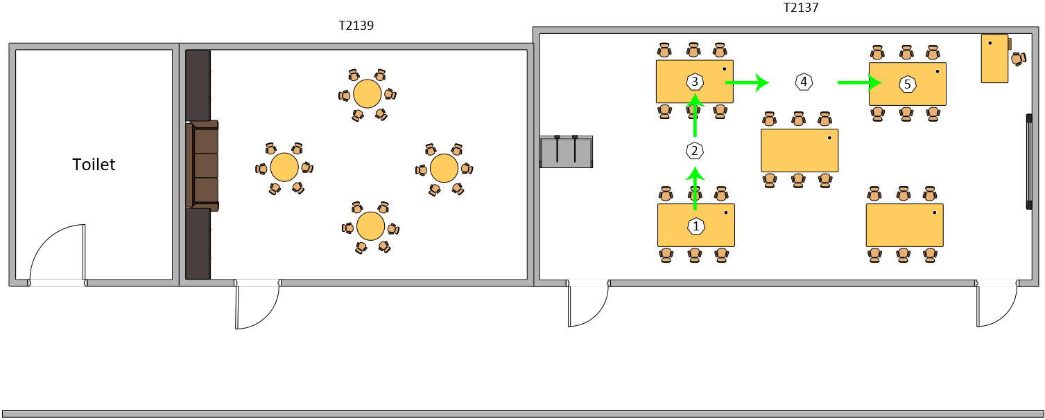
 |  | Route used for test case 14

Test Execution Date: 24/7/2018
Test Duration: 0 minute 43 seconds
Pre-Conditions: User is not blindfolded.
Specifications: Beacon Distance: 3 meters Distance between beacon & ground: 0cm Compass Bearing: +- 10 Avg Moving Speed: 42 cm/s
Description: Navigation from beacon 1 which a desk in T2137 to beacon 5 which is also a desk in T2137. The user will be skipping a beacon and going straight to the destination.
Steps | Test Steps | Expected Results | Actual Results | Status (Pass/Fail)
1 | User to launch the application. | The application will be launched successfully. | The application has been launched successfully. | Pass
2 | Detect current location automatically as Beacon 1. | A voice message will inform the user of his/her current location to be Beacon 1 automatically. The destination will also be prompted. | The voice message informed the user of the current location as Beacon 1 and prompted for a destination. | Pass
3 | Enter the destination to be Beacon 5 | After entering the destination and tapping on "Start", a voice message will inform the user if he/she is facing the correct direction towards the next beacon. If the user is not facing the correct direction, the voice message will guide the user to the correct position. | After entering the destination and tapping on "Start", the voice message informed that the user is facing the correct direction when he is indeed facing the right direction. | Pass
4 | User starts from beacon 1 and wants to navigate to beacon 2. | A voice message will tell the user to walk straight from beacon 1 to 2. User will then reach beacon 2 successfully and the application will inform that he has reached beacon 2. | The voice message containing the step to go from beacon 1 to 2 was read out while also guiding the user to walk in the correct direction. The user has successfully reached beacon 2 and the voice message has informed the user of it. | Pass
5 | User navigates from beacon 2 to beacon 3. | A voice message will tell the user to walk straight from beacon 2 to beacon 3 and also inform the user that beacon 3 is a turning point. User will reach beacon 3 successfully and the application will inform that he has reached beacon 3. | The voice message containing the step to go from beacon 2 to 3 was read out while also guiding the user to walk in the correct direction. The user has successfully reached beacon 3 and the voice message has informed the user of it. | Pass
6 | User navigates from beacon 3 to beacon 5, skipping beacon 4. | A voice message will tell the user to turn right and walk straight from beacon 3 to beacon 4. User will skip beacon 4 and walk straight all the way to beacon 5. The application will inform that he has reached his destination which is beacon 5. | The voice message containing the step to go from beacon 3 to 4 was read out while also guiding the user to walk in the correct direction. The user walked past beacon 4 and reached beacon 5 without the application detecting that the user is already at beacon 5. This caused the user to continue walking straight, past beacon 5. | Fail

Sheet 8
 |  | Test Case 21
 | 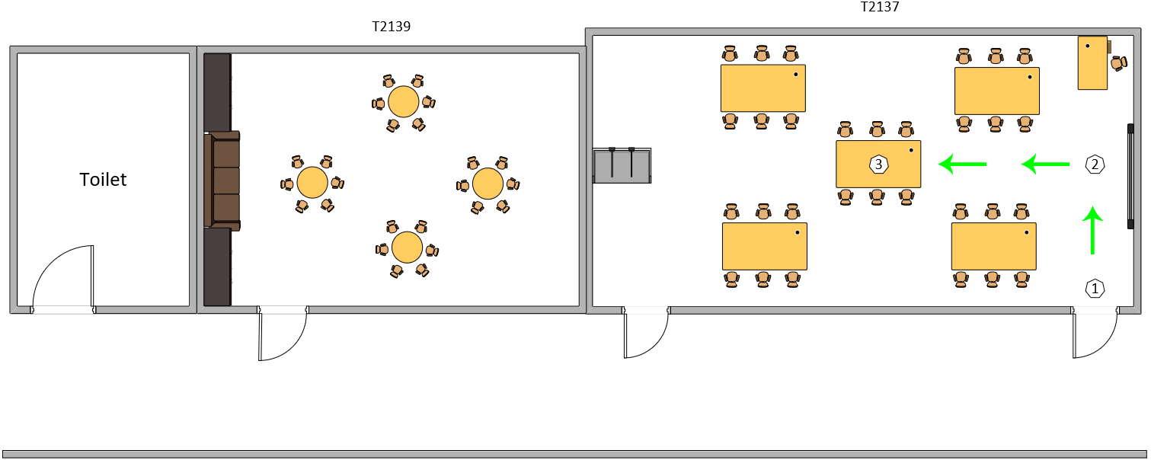
 |  | Route used for test case 21

Test Execution Date: 20/7/2018
Test Duration: 1 minute 50 seconds
Pre-Conditions: User is blindfolded.
Specifications: Beacon Distance: 3 meters Distance between beacon & ground: 0cm Compass Bearing: +- 15 Moving Speed: 31cm/s
Description: Navigation from beacon 1 which is the front entrance of T2137 to beacon 3 which is a desk in T2137.
Steps | Test Steps | Expected Results | Actual Results | Status (Pass/Fail)
1 | User to launch the application. | The application will be launched successfully. | The application has been launched successfully. | Pass
2 | Detect current location automatically as Beacon 1. | A voice message will inform the user of his/her current location to be Beacon 1 automatically. The destination will also be prompted. | The voice message informed the user of the current location as Beacon 1 and prompted for a destination. | Pass
3 | Enter the destination to be beacon 5 | After entering the destination and tapping on "Start", a voice message will inform the user if he/she is facing the correct direction towards the next beacon. If the user is not facing the correct direction, the voice message will guide the user to the correct position. | After entering the destination and tapping on "Start", the voice message informed that the user is facing the correct direction when he is indeed facing the right direction. | Pass
4 | User starts from beacon 1 and wants to navigate to beacon 2. | A voice message will tell the user to walk straight from beacon 1 to 2. User will then reach beacon 2 successfully and the application will inform that he has reached beacon 2. | The voice message containing the step to go from beacon 1 to 2 was read out while also guiding the user to walk in the correct direction. The user has successfully reached beacon 2 and the voice message has informed the user of it. | Pass
5 | User navigates from beacon 2 to beacon 3. | A voice message will tell the user to walk straight from beacon 2 to beacon 3 and also inform the user that beacon 3 is a turning point. User will reach beacon 3 successfully and the application will inform that he has reached beacon 3. | The voice message containing the step to go from beacon 2 to 3 was read out while also guiding the user to walk in the correct direction. The user has successfully reached beacon 3 and the voice message has informed the user that he has reched the destination. | Pass

Sheet 15
 |  | Test Case 29
 | 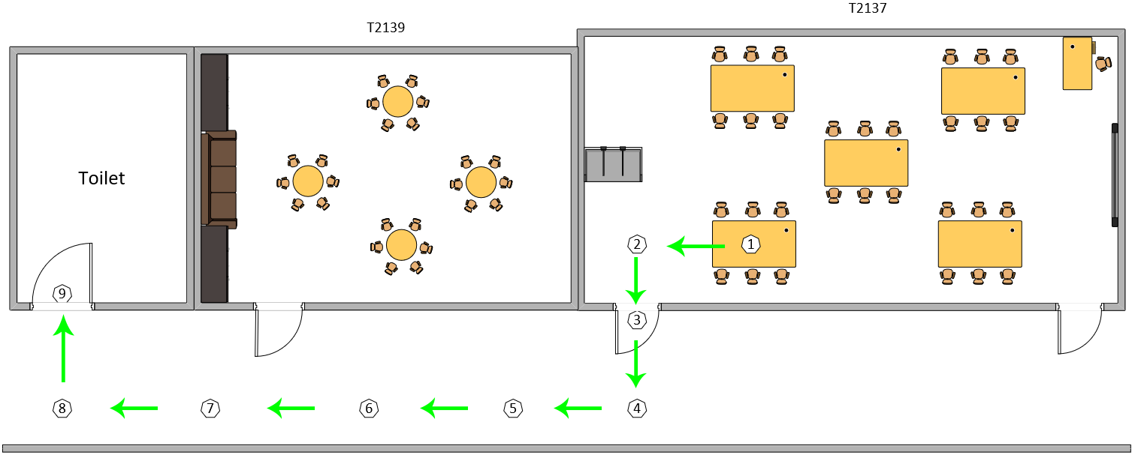
 |  | Route used for test case 29

Test Execution Date: 25/7/2018
Test Duration: 3 minute 7 seconds
Pre-Conditions: User is not blindfolded. User to wait for instructions to be read finished before moving again.
Specifications: Beacon Distance: 3 meters Distance between beacon & ground: 0cm Compass Bearing: +- 20 Avg Moving Speed: 25 cm/s note: distance between beacon 8 & 9 is 1.85m
Description: Navigation from beacon 1 which a desk in T2137 to beacon 9 which is the toilet.
Steps | Test Steps | Expected Results | Actual Results | Status (Pass/Fail)
1 | User to launch the application. | The application will be launched successfully. | The application has been launched successfully. | Pass
2 | Detect current location automatically as Beacon 1. | A voice message will inform the user of his/her current location to be Beacon 1 automatically. The destination will also be prompted. | The voice message informed the user of the current location as Beacon 1 and prompted for a destination. | Pass
3 | Enter the destination to be beacon 9 | After entering the destination and tapping on "Start", a voice message will inform the user if he/she is facing the correct direction towards the next beacon. If the user is not facing the correct direction, the voice message will guide the user to the correct position. | After entering the destination and tapping on "Start", the voice message informed that the user is facing the correct direction when he is indeed facing the right direction. | Pass
4 | User starts from beacon 1 and wants to navigate to beacon 2. | A voice message will tell the user to walk straight from beacon 1 to 2 and also inform the user that beacon 3 is a turning point. The voice message guiding the user to face the correct direction should be in sync with the one being displayed. User will then reach beacon 2 successfully and the application will inform that he has reached beacon 2. | The voice message containing the step to go from beacon 1 to 2 was read out while also guiding the user to walk in the correct direction. Message read out was in sync with the instrcutions that is displayed. The user has successfully reached beacon 2 and the voice message has informed the user of it promptly. | Pass
5 | User navigates from beacon 2 to beacon 3. | A voice message will tell the user to turn left and walk straight from beacon 2 to beacon 3. The voice message guiding the user to face the correct direction should be in sync with the one being displayed. User will reach beacon 3 successfully and the application will inform that he has reached beacon 3. | The voice message containing the step to go from beacon 2 to 3 was read out while also guiding the user to walk in the correct direction. Message read out was in sync with the instrcutions that is displayed. The user has successfully reached beacon 3 and the voice message has informed the user of it promptly. | Pass
6 | User navigates from beacon 3 to beacon 4. | A voice message will tell the user to walk straight from beacon 3 to 4 and also inform the user that beacon 4 is a turning point. The voice message guiding the user to face the correct direction should be in sync with the one being displayed. User will reach beacon 4 successfully and the application will inform that he has reached beacon 4. | The voice message containing the step to go from beacon 3 to 4 was read out while also guiding the user to walk in the correct direction. Message read out was in sync with the instrcutions that is displayed. The user has successfully reached beacon 4 and the voice message has informed the user of it promptly. | Pass
7 | User navigates from beacon 4 to beacon 5. | A voice message will tell the user to turn right and walk straight from beacon 4 to beacon 5. The voice message guiding the user to face the correct direction should be in sync with the one being displayed. User will reach beacon 5 successfully and the application will inform that he has reached beacon 5. | The voice message containing the step to go from beacon 4 to 5 was read out while also guiding the user to walk in the correct direction. Message read out was in sync with the instrcutions that is displayed. The user has successfully reached beacon 5 and the voice message has informed the user of it promptly. | Pass
8 | User navigates from beacon 5 to beacon 6. | A voice message will tell the user to walk straight from beacon 5 to beacon 6. The voice message guiding the user to face the correct direction should be in sync with the one being displayed. User will reach beacon 6 successfully and the application will inform that he has reached beacon 6. | The voice message containing the step to go from beacon 5 to 6 was read out while also guiding the user to walk in the correct direction. Message read out was in sync with the instrcutions that is displayed. The user has successfully reached beacon 6 and the voice message has informed the user of it promptly. | Pass
9 | User navigates from beacon 6 to beacon 7. | A voice message will tell the user to walk straight from beacon 6 to beacon 7. The voice message guiding the user to face the correct direction should be in sync with the one being displayed. User will reach beacon 7 successfully and the application will inform that he has reached beacon 7. | The voice message containing the step to go from beacon 6 to 7 was read out while also guiding the user to walk in the correct direction. Message read out was in sync with the instrcutions that is displayed. Before the user has reached beacon 7, it detected that the user has already reached beacon 7. | Fail
10 | User navigates from beacon 7 to beacon 8. | A voice message will tell the user to walk straight from beacon 7 to 8 and also inform the user that beacon 8 is a turning point. The voice message guiding the user to face the correct direction should be in sync with the one being displayed. User will reach beacon 8 successfully and the application will inform that he has reached beacon 8. | The voice message containing the step to go from beacon 7 to 8 was read out while also guiding the user to walk in the correct direction. Message read out was in sync with the instrcutions that is displayed. The user has successfully reached beacon 8 but the application detected that the user has reached beacon 9, and informed the user that he has reached the destination. | Fail
11 | User navigates from beacon 8 to beacon 9. | A voice message will tell the user to turn right and walk straight from beacon 8 to beacon 9. The voice message guiding the user to face the correct direction should be in sync with the one being displayed. User will reach beacon 9 successfully and the application will inform that he has reached the destination. | The voice message containing the step to go from beacon 8 to 9 was read out while also guiding the user to walk in the correct direction. Message read out was in sync with the instrcutions that is displayed. The user has successfully reached beacon 9 and the voice message has informed the user that he has reached the destination promptly. | Pass

Sheet 22
 |  | Test Case 36
 | 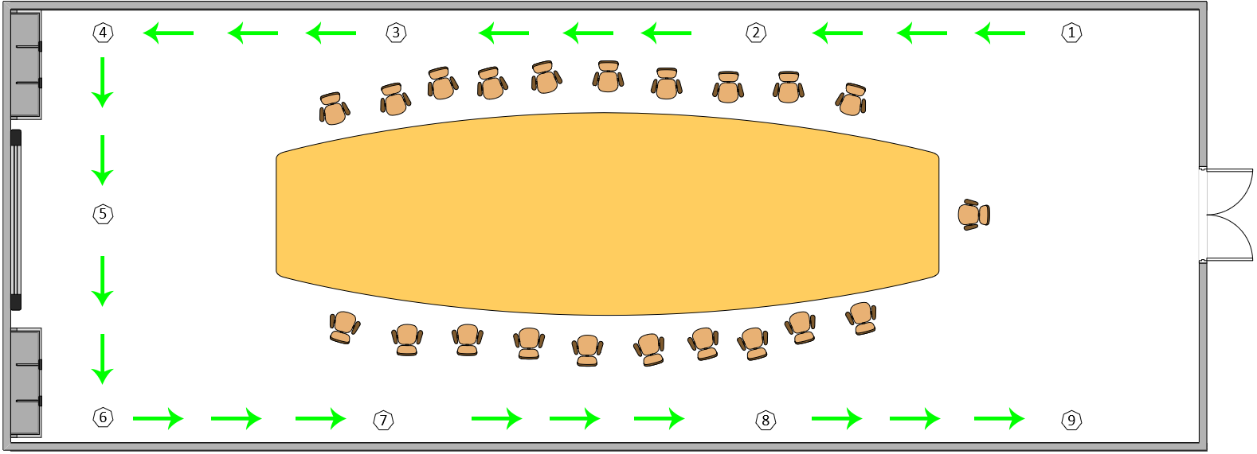
 |  | Route used for test case 36

Test Execution Date: 26/7/2018
Test Duration: 4 minutes 22 seconds
Pre-Conditions: User is blindfolded. User to wait for instructions to be read finished before moving again.
Specifications: Beacon Distance: 3 meters Distance between beacon & ground: 0cm Compass Bearing: +- 20 Avg Moving Speed: 28 cm/s
Description: Navigation from beacon 1 to beacon 9.
Steps | Test Steps | Expected Results | Actual Results | Status (Pass/Fail)
1 | User to launch the application. | The application will be launched successfully. | The application has been launched successfully. | Pass
2 | Detect current location automatically as Beacon 1. | A voice message will inform the user of his/her current location to be Beacon 1 automatically. The destination will also be prompted. | The voice message informed the user of the current location as Beacon 1 and prompted for a destination. | Pass
3 | Enter the destination to be beacon 9 | After entering the destination and tapping on "Start", a voice message will inform the user if he/she is facing the correct direction towards the next beacon. If the user is not facing the correct direction, the voice message will guide the user to the correct position. | After entering the destination and tapping on "Start", the voice message informed that the user is facing the correct direction when he is indeed facing the right direction. | Pass
4 | User starts from beacon 1 and wants to navigate to beacon 2. | A voice message will tell the user to walk straight from beacon 1 to 2. The voice message guiding the user to face the correct direction should be in sync with the one being displayed. User will then reach beacon 2 successfully and the application will inform that he has reached beacon 2. | The voice message containing the step to go from beacon 1 to 2 was read out while also guiding the user to walk in the correct direction. Message read out was in sync with the instrcutions that is displayed. The user has successfully reached beacon 2 and the voice message has informed the user of it promptly. | Pass
5 | User navigates from beacon 2 to beacon 3. | A voice message will tell the user to walk straight from beacon 2 to beacon 3. The voice message guiding the user to face the correct direction should be in sync with the one being displayed. User will reach beacon 3 successfully and the application will inform that he has reached beacon 3. | The voice message containing the step to go from beacon 2 to 3 was read out while also guiding the user to walk in the correct direction. Message read out was in sync with the instrcutions that is displayed. The user has successfully reached beacon 3 and the voice message has informed the user of it promptly. | Pass
6 | User navigates from beacon 3 to beacon 4. | A voice message will tell the user to walk straight from beacon 3 to 4 and also inform the user that beacon 4 is a turning point. The voice message guiding the user to face the correct direction should be in sync with the one being displayed. User will reach beacon 4 successfully and the application will inform that he has reached beacon 4. | The voice message containing the step to go from beacon 3 to 4 was read out while also guiding the user to walk in the correct direction. Message read out was in sync with the instrcutions that is displayed. The user has successfully reached beacon 4 and the voice message has informed the user of it promptly. | Pass
7 | User navigates from beacon 4 to beacon 5. | A voice message will tell the user to turn left and walk straight from beacon 4 to beacon 5. The voice message guiding the user to face the correct direction should be in sync with the one being displayed. User will reach beacon 5 successfully and the application will inform that he has reached beacon 5. | The voice message containing the step to go from beacon 4 to 5 was read out while also guiding the user to walk in the correct direction. Message read out was in sync with the instrcutions that is displayed. The user has successfully reached beacon 5 and the voice message has informed the user of it promptly. | Pass
8 | User navigates from beacon 5 to beacon 6. | A voice message will tell the user to walk straight from beacon 5 to 6 and also inform the user that beacon 6 is a turning point. The voice message guiding the user to face the correct direction should be in sync with the one being displayed. User will reach beacon 6 successfully and the application will inform that he has reached beacon 6. | The voice message containing the step to go from beacon 5 to 6 was read out while also guiding the user to walk in the correct direction. Message read out was in sync with the instrcutions that is displayed. The user has successfully reached beacon 6 and the voice message has informed the user of it promptly. | Pass
9 | User navigates from beacon 6 to beacon 7. | A voice message will tell the user to turn left and walk straight from beacon 6 to beacon 7. The voice message guiding the user to face the correct direction should be in sync with the one being displayed. User will reach beacon 7 successfully and the application will inform that he has reached beacon 7. | The voice message containing the step to go from beacon 6 to 7 was read out while also guiding the user to walk in the correct direction. Message read out was in sync with the instrcutions that is displayed. The user has successfully reached beacon 7 and the voice message has informed the user of it promptly. | Pass
10 | User navigates from beacon 7 to beacon 8. | A voice message will tell the user to walk straight from beacon 7 to beacon 8. The voice message guiding the user to face the correct direction should be in sync with the one being displayed. User will reach beacon 8 successfully and the application will inform that he has reached beacon 8. | The voice message containing the step to go from beacon 7 to 8 was read out while also guiding the user to walk in the correct direction. Message read out was in sync with the instrcutions that is displayed. The user has successfully reached beacon 8 and the voice message has informed the user of it promptly. | Pass
11 | User navigates from beacon 8 to beacon 9. | A voice message will tell the user to walk straight from beacon 8 to beacon 9. The voice message guiding the user to face the correct direction should be in sync with the one being displayed. User will reach beacon 9 successfully and the application will inform that he has reached the destination. | The voice message containing the step to go from beacon 8 to 9 was read out while also guiding the user to walk in the correct direction. Message read out was in sync with the instrcutions that is displayed. The user has successfully reached beacon 9 and the voice message has informed the user that he has reached the destination promptly. | Pass

